Q7
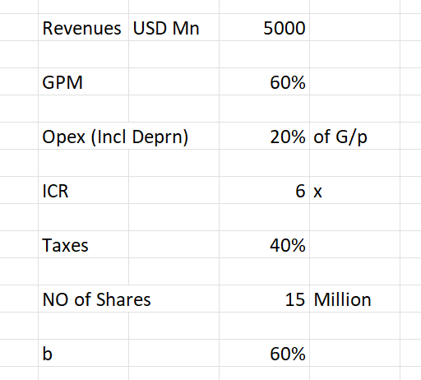

The dividend paid this year is expected to grow by 8% annually for the next 5 years and thereafter by 4% perpetually.

The US-T-Bills yield 4%. The Stock ß is 1.25 and the Market Yields have been estimated to be 12%.

Estimate the Intrinsic Value of the Share.

The share is currently trading at $374, what is your inference on the valuation and what position would you advise on the stock?

 | Revenue | 5000 | USD Mil |  | ke | 14.00%
 | GPM | 60%
 | Opex | 20% | on G/P
 | ICR | 6
 | Taxes | 40%
 | No of Shares | 15 | USD mil
 | b | 60%

 | Revenue | 5000
 | G/P value | 3000
 | NI (EBIT) | 2400
 | Interest | 400 |  | Step 1. Reach Dividend per share, remember to subtract retained shares from EPS using b (in %)
 | PBT | 2000
 | Taxes | 800
 | PAT | 1200

 | NOS | 15

 | EPS | 80

 | DPS | 32

Year | CF | PV
1 | 34.56 | 30.315789474 |  | Step 2. | Grow the DPS by the growth rate for first 5 years then discount the cashflows to present value using KE
2 | 37.3248 | 28.720221607 |  |  | ke is calculated using CAPM. Risk free rate, beta and market returns are given
3 | 40.310784 | 27.208630996 |  |  | find the sum of the PV of the cashflows
4 | 43.53564672 | 25.776597785
5 | 47.018498458 | 24.419934744

 | Total | 136.44117461
 |  |  |  | Step 3. | After 5 years, we have the terminal value formula for the rest of the perpetual growth
 | TV5 | 488.99238396 |  |  | formula: cf (last year) * (1+g)/(ke-g)
 | PV(TV5) | 253.96732134 |  |  | g is NOT 8% anymore, it is 4%

 | IV | 390.40849594 |  | Step 4. | Discount the TV of year 5 using KE

 | CMP | 374 |  | Step 5. | Calculate Intrinsic value of the share
 |  |  |  |  | It is the sum of the PV of cashflows for 5 years and PV of the terminal value of the growing perpetuity (shares in this case)
 | BUY

